Estimating Form
Jack Estimating and Order Form


 |  |  |  | All Yellow highlighted fields are required for quote and lead time
 | Jacks Order Form Pricing (Passenger/Class A Loading Only) |  |  |  |  |  | Version 03142023

Office: |  |  |  | Date:

Job name: |  |  |  | By:

 |  | Required Existing Data

 |  |  |  | Passenger/Class A Loading Only, Contact SRT@tkelevator.com if a different Class exists.

Enter Net Travel (inches) |  |  |  | inches

Enter Capacity |  |  |  | LBS. |  | Calculated Gross Load on Jack

Enter Car Weight |  |  |  |  |  | 0 | LBS.

Passenger or Freight

Existing Speed |  |  |  | FPM | Calculated Up Speed based on Jack selection below:

Existing Jack Plunger/Piston Diameter |  |  |  | inches |  | #N/A | FPM

Is this an Existing Dover/TKE Jack?

 |  |  |  | Warning: | If you change a highlighted box above after you've selected a jack below, you must re-select the jack to assure the one selected will work with the new data.

 |  | Compatible Jacks And Available Options

Single Conventional Jacks with Single Bearings

 |  | Select Your Replacement Jack |  |  | SW= Standard Wall, HW = Heavy Wall, EHW = Extra Heavy Wall

 |  |  |  | Oversized Cylinder?

Enter # of Sections Required:

 |  | Number of sections is required for pricing |  | Platen Required? |  |  | Standard

Jack Casing Protection? |  |  | PVC | Buffers? |  | Required

Pit Channels? |  | Required |  |  |  | Total: | Enter Data

 |  |  |  |  |  | Jack and pit channels: | Enter Data

 |  |  |  |  |  | Buffers: | Enter Data

If your desired jack is not listed, please contact SRT@tkelevator.com |  |  |  | Please email scheduling (tkeschedulingparts@tkelevator.com) for all lead times.

 |  | New Jack Data

Plunger/Piston OD |  | #N/A | inches | Jack will be provided in |  | 0 | Section(s)

Plunger/Piston Thickness |  | #N/A | inches

Cylinder OD |  | #N/A | inches | Top overtravel |  | 6.00

Coupling OD |  | #N/A | inches | Bottom Overtravel |  | 10.00

Flange OD |  | #N/A | inches | Total Travel |  | 16.00 | inches

N/A |  | N/A | inches

N/A |  | N/A | inches | Plunger/Piston Weight* |  | #N/A | LBS.

Minimum pressure |  | #N/A | PSI | Cylinder length* |  | #N/A | feet

Max working pressure |  | #N/A | PSI | Section Length* |  | #N/A | feet

 |  |  | Approximate Max Section Length* |  |  |  | feet
* Approximate dimensions (will be confirmed at time of Order)
All printed copies of this document are uncontrolled and should be used as reference material only.

Survey Form
Jacks Order Form- Survey

 |  |  |  |  |  | Date: | 0
 |  |  |  | All yellow highlighted fields are required for ordering, Hand written forms cannot be accepted
 |  | Jacks Order Form Survey

Office: | 0

Job name: | 0 |  |  |  | By: | 0

Ship to Address |  |  |  |  |  |  | Purchase Order Number:

 |  | Existing Data

Net Travel |  |  | 0.000 | inches |  | Existing Speed |  | 0 | FPM

Capacity |  |  | 0 | LBS. |  | Existing Jack Diameter |  | 0

Max Gross Load On Jack |  |  | 0 | LBS. |  | Is this an Existing Dover/TKE Jack? |  | 0

Passenger or Freight |  |  | 0 |  |  | Calculated Up Speed |  | #N/A | FPM

 |  |  |  |  |  | Down Heavy Speed |  |  | FPM

Required Survey Information for Order

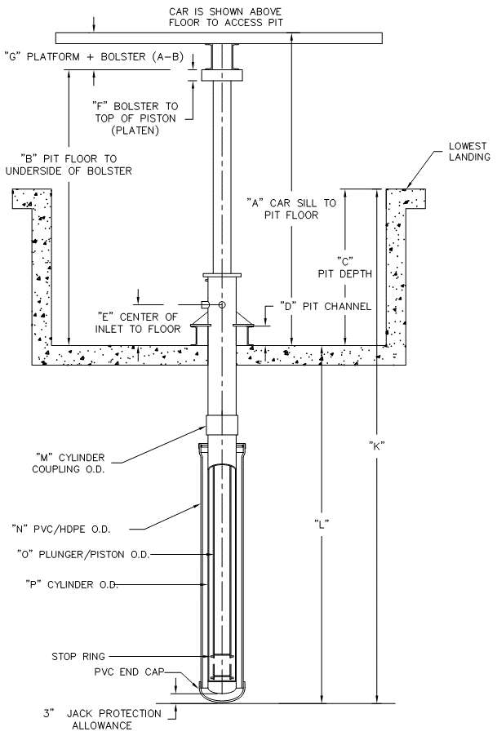
 |  |  |  |  |  | Top Over Travel* |  |  | inches
 |  |  |  |  |  | Bottom Runby |  | 6.00 | inches
 |  |  |  |  |  | Buffer Stroke** |  | 2.50 | inches
 |  |  |  |  |  | Bottom Over Travel |  | 10.00 | inches
 |  |  |  |  |  | Buffer Strike Plate (thickness) |  |  | inches
 |  |  |  |  |  |  | * Standard is 6 inches
 |  |  |  |  |  |  | ** Code required based on Down Heavy Speed

 |  |  |  |  |  |  | A |  | inches
 |  |  |  |  |  |  | B |  | inches
 |  |  |  |  |  |  | C |  | inches
 |  |  |  |  |  |  | D |  | inches
 |  |  |  |  |  |  | E |  | inches
 |  |  |  |  |  |  | F |  | inches
 |  |  |  |  |  |  | G | 0.000 | inches | J
 |  |  |  |  |  |  | J |  | inches | H
 |  |  |  |  |  |  | H |  | inches
 |  |  |  |  |  |  | Pit Channel Length |  | inches
 |  |  |  |  |  |  | Bolster thickness |  | inches

 |  |  |  |  |  |  | K | #N/A | inches
 |  |  |  |  |  |  | L | #N/A | inches
 |  |  |  |  |  |  | M | #N/A | inches
 |  |  |  |  |  |  | N | N/A | inches
 |  |  |  |  |  |  | O | #N/A | inches
 |  |  |  |  |  |  | P | #N/A | inches

 |  |  |  |  |  |  | Dimensions "K" and "L" are estimates.

Send completed Excel form to OrderIntakeMFG@tkelevator.com

