Gov Order Form
 | TK Elevator Governor Order Form
 | Instructions: Use Separate survey form for each car, if different.
 | Once Complete email this form along with the PO and Quote to OrderIntakeMFG@tkelevator.com
 | Basic Information

 | Job Name: |  |  |  | Date:

 | Contact Name: |  |  |  | Email address:

 | Quote Number: |  |  |  | Job Number:

 | Order Details

 |  |  | Governor Location (Car, CWT):

 |  |  | Governor Type:

 |  |  | Tail Sheave Required (Y/N)?

 |  |  | Governor Encoder Required (Y/N)?

 |  |  | Sesismic (Y/N)?

 |  |  | Speed: |  |  |  |  | FPM

 |  |  | Travel: |  |  |  |  | FT

 |  |  | Rail Size: |  |  | See "Rail Size Reference" tab for dimensions

 |  |  | Hand of Governor:

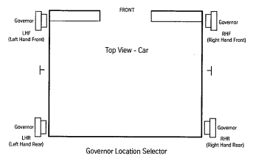

 |  |  |  |  |  |  | Updated: |  | 2021-11-08

8# T-rail (T89/B) |  | 12" Self Reset (3/8" Rope) |  | Car Governor |  |  |  | Yes
12# T-rail (T127-1/B) |  | 12" Non-Digital ( 3/8" Rope) |  | Counterweight Governor |  |  |  | No
15# T-rail (T127-2/B) |  | 12" Digital (3/8" Rope)
18.5# T-rail (T140-1/B) |  | EVO 12" Self Resetting Governor & Remote Switch
22.5# T-rail (T140-2/B) |  | 16" Digital (1/2" Rope)
30# T-rail (T140-3/B) |  | 16" Non-Digital (1/2" Rope)
C7
C12

RHF / LHR
LHF / RHR

Rail Size Reference
