Sheet1
 | TKE Safety Check Sheet

Job Name

Job Number

Speed: |  |  | FPM

DBG: |  |  | INCH

Gross Load: |  |  | LB

Rope Size: |  |  | INCH

Rail Size:
 |  | See "Rail Size Reference" for dimensions
Travel: |  |  | FT

Rail (Dry or Lubricated):

Safety Block Only or Safety Block With Channel:

Roller Type: |  | TKE

SAFETY HAND: |  | LHR
Note: Field modifications to the safety may be required to accommodate existing building conditions.
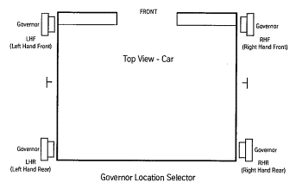

8# T-rail (T89/B)
12# T-rail (T127-1/B)
15# T-rail (T127-2/B)
18.5# T-rail (T140-1/B)
22.5# T-rail (T140-2/B)
30# T-rail (T140-3/B)
C7
C12

Rail Size Reference
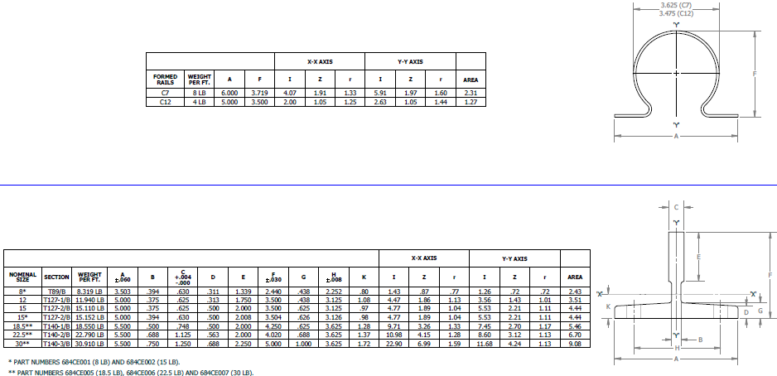

Sheet3
